Decremental
 | -0% | -46% | 0.54
1 | High-complexity Products | Daily Instruments | 0.19498101861
2 | Machinery and Construction | Machinery and Construction | 0.19180592806
3 | Daily Instruments | High-complexity Products | 0.18860265918
4 | Transportation | Chemical Manufacturing | 0.18307094172
5 | Chemical Manufacturing | Transportation | 0.18186225749
6 | Raw Manufacturing | Raw Manufacturing | 0.18057159349
7 | Weapons | Clothing and Accessories | 0.16745482461
8 | Chemicals | Wood Products | 0.16738367237
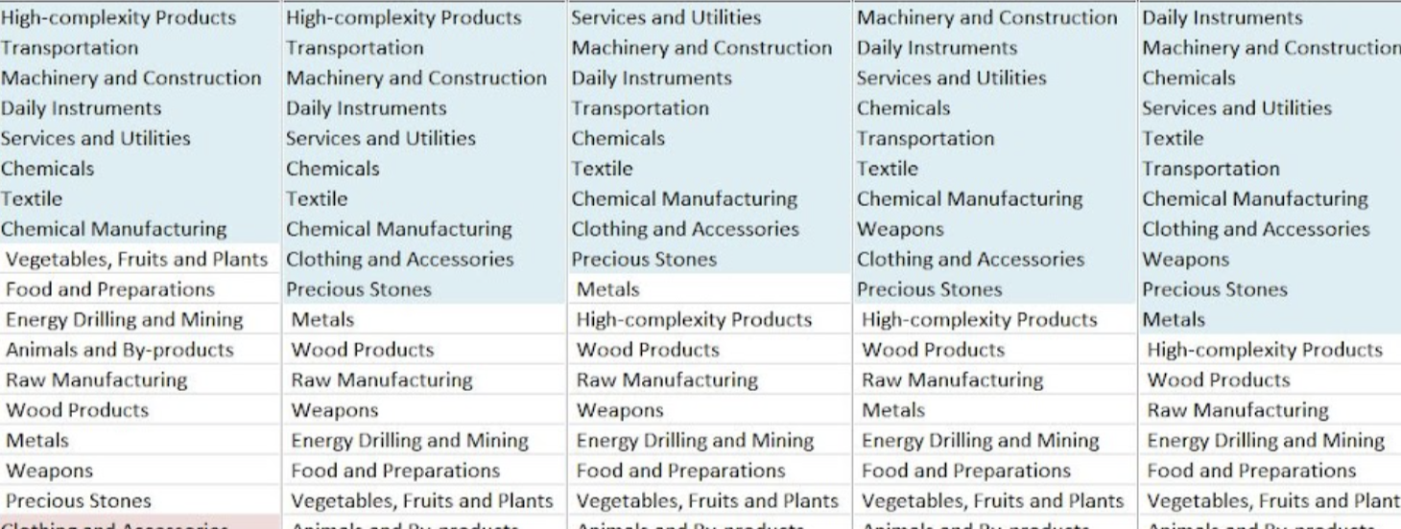
9 | Textile | Weapons | 0.16267969276
10 | Clothing and Accessories | Textile | 0.16085732392
11 | Wood Products | Chemicals | 0.15471906152
12 | Services and Utilities | Food and Preparations | 0.14779817534
13 | Precious Stones | Precious Stones | 0.14054303533
14 | Energy Drilling and Mining | Services and Utilities | 0.13261342715
15 | Metals | Energy Drilling and Mining | 0.12257670577
16 | Food and Preparations | Metals | 0
17 | Vegetables, Fruits and Plants | Vegetables, Fruits and Plants | 0
18 | Animals and By-products | Animals and By-products | 0
ECI | -0.71583944289 | -0.71364946807

